Cover
Capstone project

D-Lite Electronics Ltd. operates across four major regions in Nigeria: North, South, East, and West. The company’s sales data is inconsistent and often contains errors. As a Data Analyst, your task is to clean, analyse, and visualise the data to support management decision-making leveraging all the concepts learnt during the training.

Dashbord
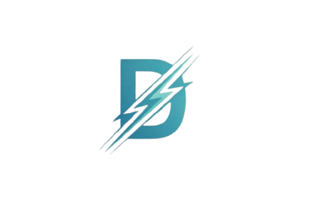
D- Lite
Welcome to
D-Lite Dashboard
Overview
Region
Products
Sales Reps
Customers
Logout
D-Lite Electronic Dashboard
AO
Sales Performance Dashboard
Total Revenue
Total Unit Sold
Transaction
Average Unit Price
Unit Sold by Region
Total Revenue by Region
Unit Sold by Product
Top 5 Customers
Monthly Sales Trend
TV 43Q
TABLET T8
MONITOR M24
LAPTOP A15
Jide Superstores
Musa Enterprises
Femi Tech
Bright Solutions
Omega Wholesale

₦303M
1,141
100
₦248.2K

 | Total
LAPTOP A15 | 191
MONITOR M24 | 166
TABLET T8 | 226
TV 43Q | 215
 | Total
Omega Wholesale | ₦90M
Bright Solutions | ₦32M
Femi Tech | ₦31M
Musa Enterprises | ₦27M
Jide Superstores | ₦23M
 | Sum of Total sales | Sum of Total sales2
West | ₦116M | ₦116M
East | ₦80M | ₦80M
South | ₦68M | ₦68M
North | ₦39M | ₦39M

 | Sum of Units Sold | Sum of Units Sold2
East | 430 | 430
North | 196 | 196
South | 292 | 292
West | 223 | 223
 | Total
Jan | ₦57M
Feb | ₦124M
Mar | ₦19M
Apr | ₦25M
May | ₦32M
Jun | ₦46M

